TRD_X
 |  |  |  |  |  | Requirement or Information | Milestone Iteration revision | REQ Status(Acepted/Rejected) | Task ID | Responsible | NOTES
NET Test requirements Document
NETTest_Automation_Tool_rev2.doc

Written By

APPROVED BY : |  | APPROVED BY :
REVISION HISTORY
Short Description | Version |  | Chapter | Modify on AAAA/MM/JJ | Modify By
First Revision of the requirements provided by the client. Workweek 36 | Rev 00 |  | - | 2018-09-03

TABLE OF CONTENTS
Table of Contents for the implementation of a tool based on a NET/CAN ST test to reduce the time spent on said test.
TRD-
1. NET/CAN ST Test Automation Tool Requirements ................................................................................................................................................. x
1.1. NET/CAN ST S/W Design Requirement .............................................................................................................................................................. x
1.1.1 File types:
1.1.2 Functions:
1.1.3 Failures:
1 GENERAL Information
Description
1. NET/CAN ST Test Automation Tool Requirements ................................................................................................................................................. x |  |  |  |  |  | Information |  |  | 1
1.1. NET/CAN ST S/W Design Requirement .............................................................................................................................................................. x |  |  |  |  |  | Information |  |  | 2018-01-01
1.1.1 File types: |  |  |  |  |  | Information |  |  | 1.1.1
Input: DBC File, a semi-standard Communication Database for CAN file format. |  |  |  |  |  | Requirement | Release 1 | Accepted | 1.1.1.1 | Luis Pizarro
Compatibility: Will work with any type of DBC file, regardless of its contents. |  |  |  |  |  | Requirement | Release 1 | Accepted | 1.1.1.2 | Luis Pizarro
Output: Test report and Test Evidence, providing a list of tests ran with their status , traces and logs. |  |  |  |  |  | Requirement | Release 3 | Accepted | 1.1.1.3 | Luis Pizarro
1.1.2 Functions: |  |  |  |  |  | Information |  |  | 1.1.2
Button for the user to execute the test cases. |  |  |  |  |  | Requirement | Release 1 | Accepted | 1.1.2.1 | Rafael López
User can select which node will be tested to determine which messages will be considered for testing. |  |  |  |  |  | Requirement | Release 1 | Accepted | 1.1.2.2 | Rafael López
The tool will be capable of processing any given amount of messages or failures. |  |  |  |  |  | Requirement | Release 1 | Accepted | 1.1.2.3 | Rafael López
The tool shall generate a test case for evey possible net failure. |  |  |  |  |  | Requirement | Release 1 | Accepted | 1.1.2.4 | Rafael López
Creation of a report with relevant information from each test case. |  |  |  |  |  | Requirement | Release 1 | Accepted | 1.1.2.5 | Diego Del Muro
Evidence is logged for each test case run. (MM6x log, TKwinX fsa file, CAN log). |  |  |  |  |  | Requirement | Release 1 | Accepted | 1.1.2.6 | Alejandro Galaviz
TX Side: Message frame checked by the tool. |  |  |  |  |  | Requirement | Release 2 | Accepted | 1.1.2.8
Cycle times |  |  |  |  |  | Requirement | Release 2 | Accepted | 1.1.2.8.1 | Victor Green
DLC |  |  |  |  |  | Requirement | Release 2 | Accepted | 1.1.2.8.2 | Victor Green
Init Value |  |  |  |  |  | Requirement | Release 2 | Accepted | 1.1.2.8.3 | Victor Green
Error Value |  |  |  |  |  | Requirement | Release 2 | Accepted | 1.1.2.8.4 | Luis Pizarro
Undefined Value |  |  |  |  |  | Requirement | Release 2 | Accepted | 1.1.2.8.5 | Luis Pizarro
Min/Max Value |  |  |  |  |  | Requirement | Release 2 | Accepted | 1.1.2.8.6 | Luis Pizarro
Offset |  |  |  |  |  | Requirement | Release 2 | Accepted | 1.1.2.8.7 | Rafael López
Resolution |  |  |  |  |  | Requirement | Release 2 | Accepted | 1.1.2.8.8 | Rafael López
Qualifier Fault: Only with qualifier bit. |  |  |  |  |  | Requirement | Release 2 | Accepted | 1.1.2.8.9 | Rafael López
1.1.3 Failures: |  |  |  |  |  | Information |  |  | 1.1.3
Timeout: The frame is no longer present or it's not being sent in the CAN bus. Present in every message. |  |  |  |  |  | Requirement | Release 2 | Accepted | 1.1.3.1 | Alejandro Galaviz
Data Corrupt: The data length of a message does not match the one defined in the database. Present in every message. |  |  |  |  |  | Requirement | Release 2 | Accepted | 1.1.3.2 | Alejandro Galaviz
Checksum: When the checksum signal does not follow logic, or it's missing. Only when present. Might be more than one. |  |  |  |  |  | Requirement | Release 2 | Accepted | 1.1.3.3 | Alejandro Galaviz
Alive Counter: When the signal is not incrementing or when it is not sent. Only when present. |  |  |  |  |  | Requirement | Release 2 | Accepted | 1.1.3.4 | Alejandro Galaviz
Scenarios: |  |  |  |  |  | Information |  |  | 1.1.3.5
Normal Scenario |  |  |  |  |  | Requirement | Release 3 | Accepted | 1.1.3.5.1 | Diego Del Muro
Under voltage |  |  |  |  |  | Requirement | Release 3 | Accepted | 1.1.3.5.2 | Diego Del Muro
Overvoltage |  |  |  |  |  | Requirement | Release 3 | Accepted | 1.1.3.5.3 | Diego Del Muro
After inition cycle. |  |  |  |  |  | Requirement | Release 3 | Accepted | 1.1.3.5.4 | Alejandro Galaviz
After power cycle. |  |  |  |  |  | Requirement | Release 3 | Accepted | 1.1.3.5.5 | Alejandro Galaviz
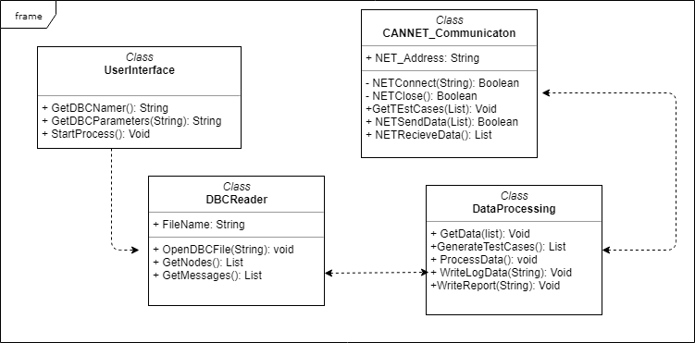
Timeout by incorrect sample time. |  |  |  |  |  | Requirement | Release 3 | Accepted | 1.1.3.5.6 | Alejandro Galaviz
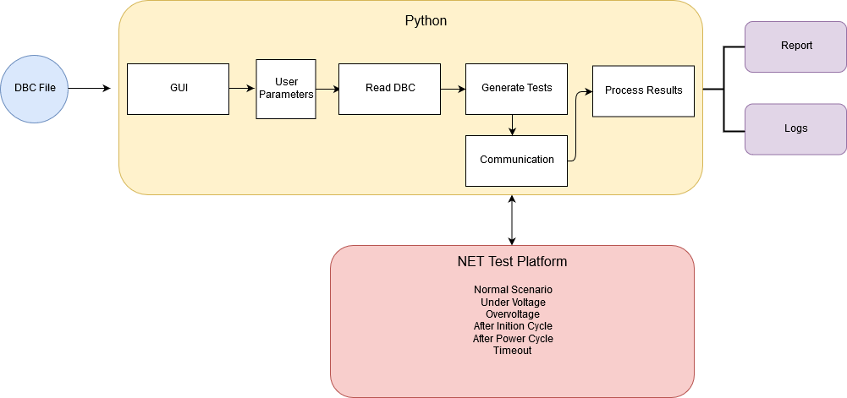 Diagram

TABLE X

APPENDIX

